Link for tableau public
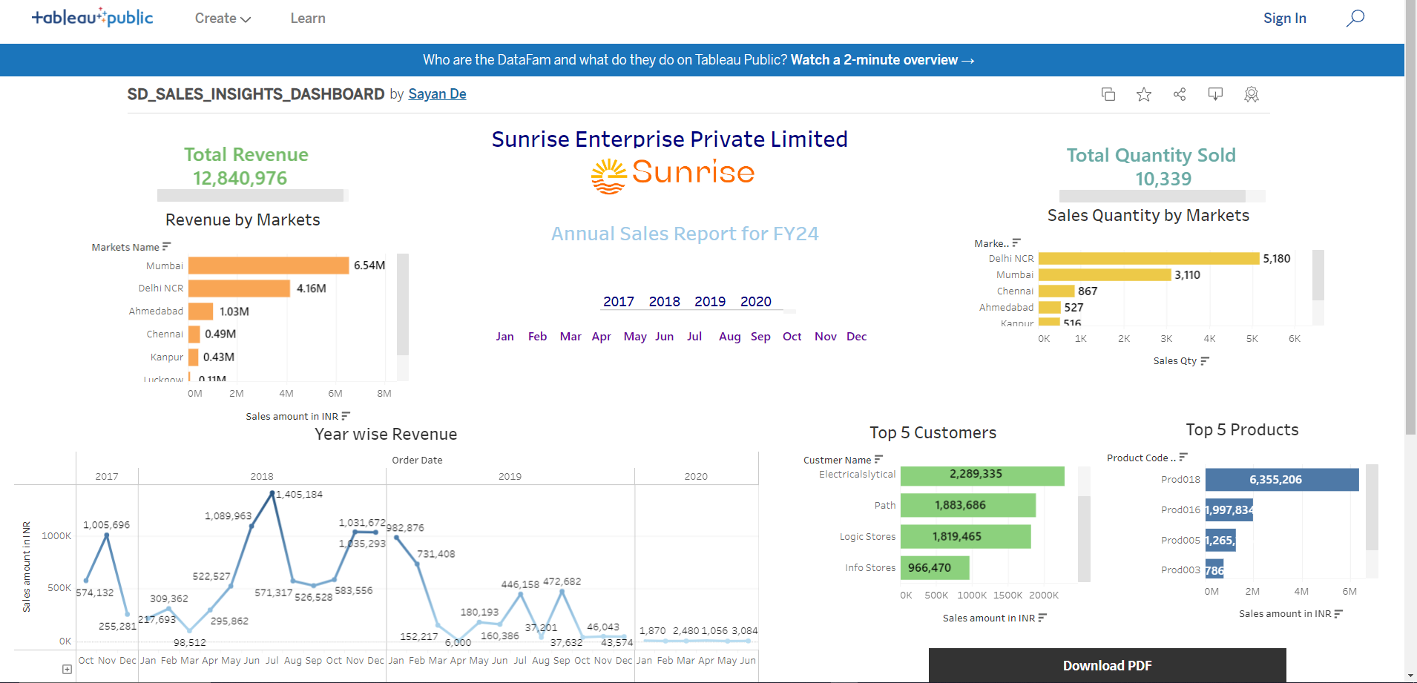
Interactive dashboard link(Tableau Public) | https://public.tableau.com/app/profile/sayan.de4649/viz/SD_SALES_INSIGHTS_DASHBOARD/InteractiveDashbaord

